Lien
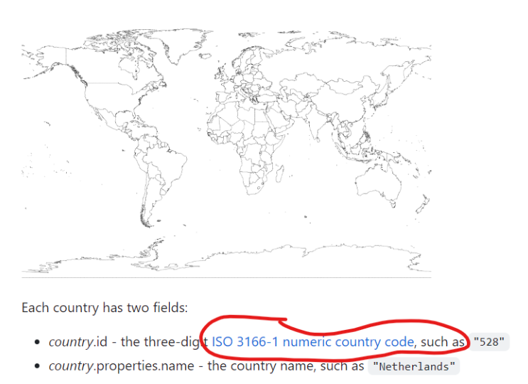
GitHub - topojson/world-atlas: Pre-built TopoJSON from Natural Earth.

